Chek-list
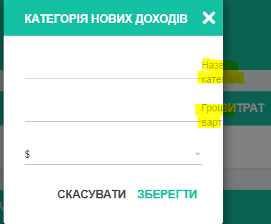
№ | Name | Status | Comment
1 | Open the site https://qatesttask.mobi-dev.com by using mobile Samsung A51 | Passed | authorization: md-user / MD@QAPass1
2 | Open the site https://qatesttask.mobi-dev.com by using mobile Samsung A51 and open the main page, check if the Incomes table in the left and Expenses table in the right below the graphs | Failed | The fields Incomes and Expenses are one under the other
3 | Open the site https://qatesttask.mobi-dev.com by laptop HP CompaqyPresario CQ57 | Passed | authorization: md-user / MD@QAPass2
4 | The site has an intuitive and easy to use interface that allows use it instantly. | Failed | The names of the fields are not visible in NEW INCOMES CATEGORY
5 | “Sign in” in the system without “Sign up” before | Passed
6 | “Sign up” in the system without filing in any fields | Passed
7 | “Sign up” in the system, enter 55555 in the field "Name" | Failed | User can enter numerals
8 | “Sign up” in the system with name 55555 without filing 2 other fields | Passed
9 | “Sign up” in the system with name 55555 and the same Last name 55555 | Failed | User can enter numerals in these fields
10 | “Sign up” in the system with name 55555 and the same Last name 55555 and empty field "Phone number" | Failed | The field "Phone number" can be empty
11 | “Sign up” in the system with name 55555 and the same Last name 55555, and the same "Phone number" 55555 | Failed | The phone number can not contain 5 numerals, there is no field “Password”
12 | Add an avatar in PDF format with size 160 KB | Failed | The format can not be "any"
13 | Add an avatar in JPG format with size 657 KB | Passed
14 | Change profile fields: Name - 1, Last name - 1, Phone number - 1 | Failed | The phone number can not contain 1 numeral
15 | Change profile fields: Name - , Last name - , Phone number - | Passed | The fields can not be empty
16 | Click the button "Exit" | Passed
17 | Sign in with already authorized profile: Name - 1, Last name - 1, Phone number - 1 | Failed | Instead of the field "Password" there is the field "Last name" when user is signing up.
18 | Sign in with already authorized profile : Name - 1, Password - 1 | Passed | The current password is not safety
19 | Use the button “Forgot password” | Passed
The remark is in English, but the site is tanslated into Ukrainian
20 | In the field "E-mail" enter invalid data "ertyuio" | Passed
21 | In the field "E-mail" enter invalid data "ertyuio@ghj.com" | Failed | Not Found The requested URL /reset-pass/ was not found on this server.
22 | In the field "E-mail" enter valid data "leskapavlyuk@gmail.com" | Failed | Not Found The requested URL /reset-pass/ was not found on this server.
23 | The main page consists of 3 sections: header, graphs and tables, footer | Passed
24 | Income and expenses graphs are built depending on the type of currency and number of categories and show to the user the visual statistics with values | Passed
25 | The Incomes table in the left and Expenses table in the right below the graphs | Passed
26 | Each table has 5 basic categories by default and contains unique names of categories and the selected type of currency | Failed
27 | Check basic income categories: Credit Card, Bank Account, Cash, Other | Failed
28 | Check basic income categories: Rent, Food, Transport, Vocation, Other | Failed | There is a mistake in requests, there must be "Expenses", not "Income"
29 | Check basic expenses categories: Rent, Food, Transport, Vocation, Other | Failed
30 | Total value is depended on the type of currency and is placed under the tables in a separate block for user convenience | Failed | The Total value is not correct, when two types of currency are used
31 | Add new categories to each table and see them on the main page | Passed
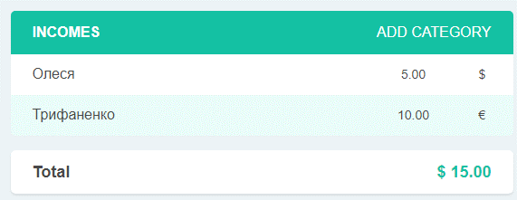
32 | Edit categories to the incomes tables | Passed
33 | Edit categories to the expenses tables | Passed
34 | Remove categories from the incomes tables | Passed
35 | Remove categories from the expenses tables | Passed
36 | Popup is displayed if the user wants to add a new category where can enter data for incomes or expenses | Passed
The remark is in English, but the site is tanslated into Ukrainian
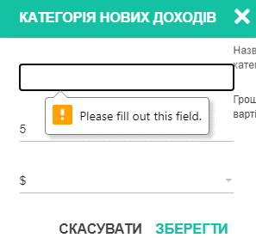
37 | Сreate new cost record using categories from the Incomes tables, don't fill the category | Passed
The remark is in English, but the site is tanslated into Ukrainian
38 | Сreate new cost record using categories from the Expenses tables, don't fill the category | Passed
39 | Log out and sign in, all data and changes must be displayed from the previous state of the system. | Passed

A few Test - cases
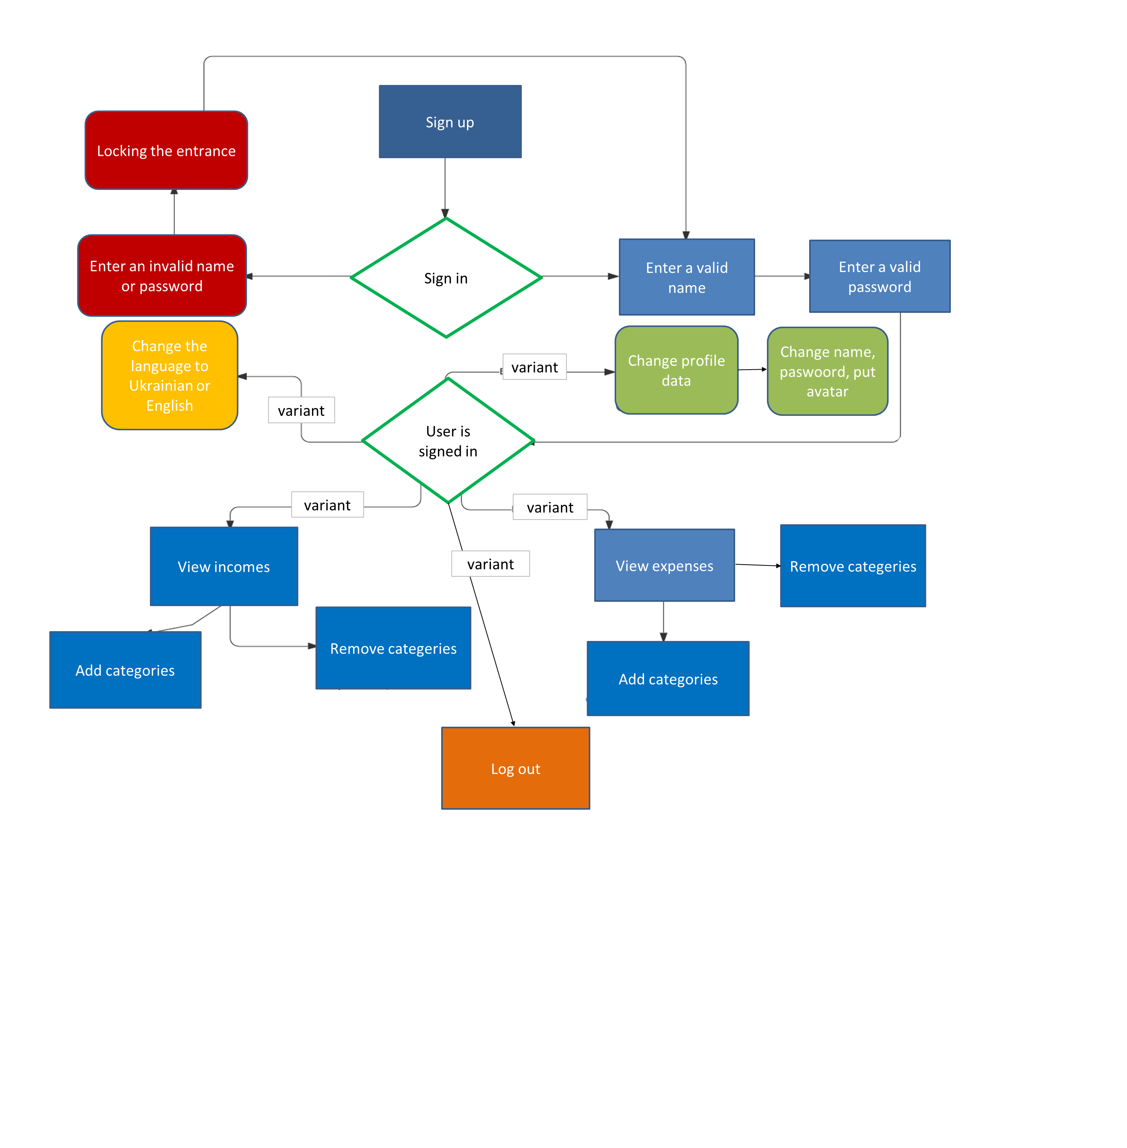
C1: The site https://qatesttask.mobi-dev.com is suited for desktop and mobile usage
TypeFunctional | PriorityHigh | Estimate 15 minutes | ReferencesNone
Automation TypeNone
Preconditions
Two working devices
Steps
 | Step | Expected Result | Status
1 | Open the site https://qatesttask.mobi-dev.com by laptop HP CompaqyPresario CQ57 | The site is opened and it works | Pass
2 | Open the site https://qatesttask.mobi-dev.com by using mobile Samsung A51 | There are no graphic changes, all image sizes are reduced to the size of the phone screen | Fail
C2: Sign up to the system in the site https://qatesttask.mobi-dev.com
TypeFunctional | PriorityHigh | Estimate 15 minutes | ReferencesNone
Automation TypeNone
Preconditions
Opened site https://qatesttask.mobi-dev.com in the browser Google Chrome
Steps
 | Step | Expected Result | Status
1 | Click the button "Sign up" | The page with fields to fill in | Pass
2 | Leave the fields empty | Error, "Please fill out this field" | Pass
3 | Leave the field "Name" empty and fill in other two fields | Error, "Please fill out this field" | Pass
4 | Fill in the field "Name" and leave two other fields empty | Error, "Please fill out this field" | Pass
5 | Enter 55555 in the field "Name" | Error, "This field can contain only letters" | Fail
6 | Enter 55555 in the field "Last name" | Error, "This field can contain only letters" | Fail
7 | Leave the field "Phone number" empty | The field is empty and user can sign up | Fail
8 | Enter 55555 in the field "Phone number" | Error, "This field can contain only 10 numerals" | Fail

For this test-case we can use test design technique decision-making table

C2: Sign up to the system in the site https://qatesttask.mobi-dev.com
Coditions | 1 | 2 | 3 | 4 | 5 | 6 | 7 | 8
Valid name | 1 | 1 | 1 | 1 | 0 | 0 | 0 | 0
Valid password | 1 | 0 | 1 | 0 | 0 | 1 | 0 | 1
Valid phone number | 1 | 0 | 0 | 1 | 0 | 1 | 1 | 0
Not valid name | 0 | 0 | 0 | 0 | 1 | 1 | 1 | 1
Not valid password | 0 | 1 | 0 | 1 | 1 | 0 | 1 | 0
Not valid phone number | 0 | 0 | 1 | 0 | 1 | 0 | 0 | 1
Action
Successfully registration | 1 | 0 | 0 | 0 | 0 | 0 | 0 | 0
Unsuccessfully registration | 0 | 1 | 1 | 1 | 1 | 1 | 1 | 1

For this test-case we can also use test design technique State-transition diagram

Fill in Name and Password
Sign up
 |  | Press "Sign in"
Open website

1st
try
2nd
try
3rd
try
4rd
try
...........
try
 |  |  |  | Name and Password |  | Name or Password |  | Name or Password |  | Name or Password
 |  | Open browser
Start

Profile is created
 |  |  |  |  |  | Name and Password |  | Name and Password | Name and Password |  | Name and Password
 |  |  |  |  | Name and Password

For this test-case we can also use test design technique use-case diagram

